Sheet1
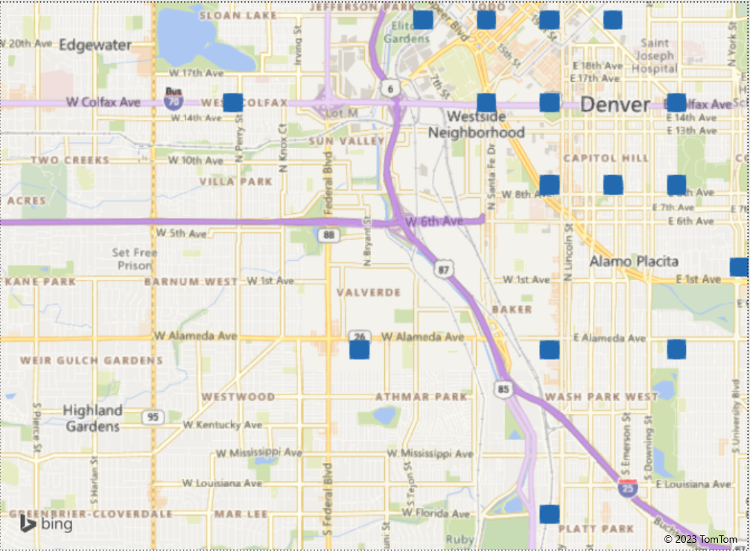

Westwood | 15486 | 4037
Central Park | 13948 | 4008
Five Points | 12712 | 5961
Congress Park | 10235 | 3614
Sunnyside | 9726 | 2829
South Park Hill | 8590 | 1843
Highland | 8429 | 3269
University Park | 7491 | 2936

